Cavalli Class handbags
photo | brand | typology | description | color | art code | model | q.ty
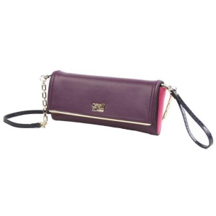 | Cavalli Class | handbags | Clutch 002 Aline | Purple/Fuxia | C43PWCDN0022D71 | Aline | 0
 | Cavalli Class | handbags | Clutch 002 Aline | Purple/Fuxia | C43PWCDN0022D71 | Aline | 12
 | Cavalli Class | handbags | Clutch 002 Aline | Burgundy/White | C43PWCDN0022D72 | Aline | 6
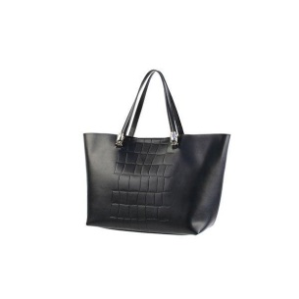 | Cavalli Class | handbags | Small handbag Panthera Bag 002 | Black | C51PWCFN0022999 | Panthera Bag | 4
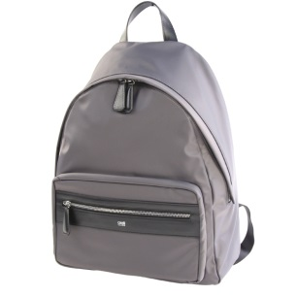 | Cavalli Class | handbags | Backpack Class Hunter 006 | Grey | C71PMCNO0065001 | Class Hunter | 4
 | Cavalli Class | handbags | Backpack Class Hunter 006 | Grey | C71PMCNO0065001 | Class Hunter | 0
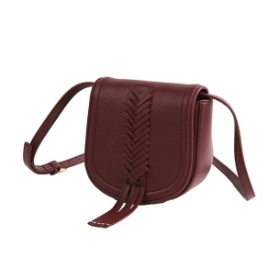 | Cavalli Class | handbags | Small shoulder bag Gipsy Diva 001 | Burgundy | C73PWCGY0012064 | Gipsy Diva | 0
 | Cavalli Class | handbags | Small shoulder bag Gipsy Diva 001 | Black | C73PWCGY0012999 | Gipsy Diva | 3
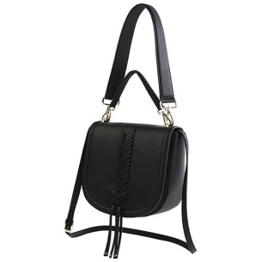 | Cavalli Class | handbags | Medium shoulder bag Gipsy Diva 002 | Dark grey | C73PWCGY0022004 | Gipsy Diva | 4
 | Cavalli Class | handbags | Medium shoulder bag Gipsy Diva 002 | Burgundy | C73PWCGY0022064 | Gipsy Diva | 1
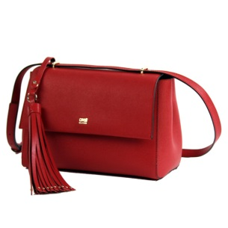 | Cavalli Class | handbags | Shoulder bag City Diva 001 | Blue/ Black | C73PWCNY0012B28 | City Diva | 0
 | Cavalli Class | handbags | Shoulder bag City Diva 001 | Red/Black | C73PWCNY0012G00 | City Diva | 1
 | Cavalli Class | handbags | Handbag City Diva 002 | Blue/ Black | C73PWCNY0022B28 | City Diva | 0
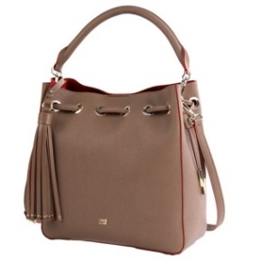 | Cavalli Class | handbags | Satchel City Diva 003 | Black/Blue | C73PWCNY0032B16 | City Diva | 1
 | Cavalli Class | handbags | Satchel City Diva 003 | Taupe/Red | C73PWCNY0032D44 | City Diva | 1
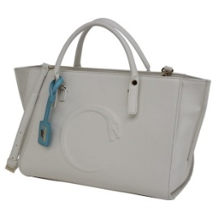 | Cavalli Class | handbags | Handbag Snake 3D 003 | White | C81PWCPO0032010 | Snake 3D | 7
 | Cavalli Class | handbags | Handbag Snake 3D 003 | Peach | C81PWCPO0032045 | Snake 3D | 6
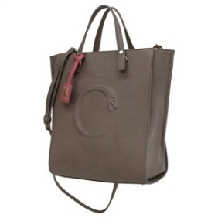 | Cavalli Class | handbags | Tote bag Snake 3D 004 | Taupe | C81PWCPO0042022 | Snake 3D | 3
 | Cavalli Class | handbags | Tote bag Snake 3D 004 | Taupe | C81PWCPO0042022 | Snake 3D | 0
 | Cavalli Class | handbags | Tote bag Snake 3D 004 | Peach | C81PWCPO0042045 | Snake 3D | 2
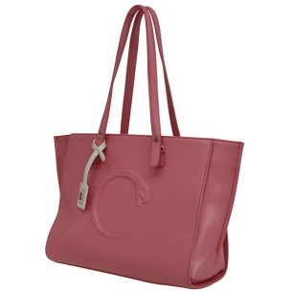 | Cavalli Class | handbags | Shopping bag Snake 3D 005 | Peach | C81PWCPO0052045 | Snake 3D | 0
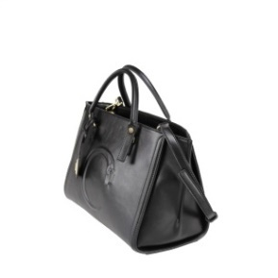
 | Cavalli Class | handbags | Shopping bag Snake 3D 005 | Mint | C81PWCPO0052270 | Snake 3D | 2
 | Cavalli Class | handbags | Medium handbag Fall snake 3D 003 | Black | C82PWCQ20032999 | Fall snake 3D | 0
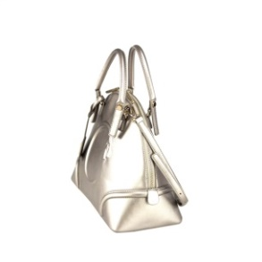 | Cavalli Class | handbags | Bugatti Fall snake 3D 004 | Bronze | C82PWCQ20042102 | Fall snake 3D | 3
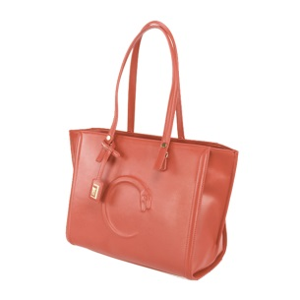 | Cavalli Class | handbags | Shopping bag Fall snake 3D 005 | Red | C82PWCQ20052060 | Fall snake 3D | 2
 | Cavalli Class | handbags | Shopping bag Fall snake 3D 005 | Bronze | C82PWCQ20052102 | Fall snake 3D | 1
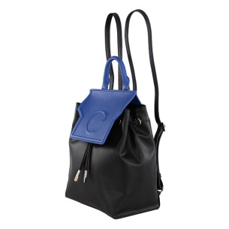 | Cavalli Class | handbags | Backpack Winter Snake 3D 004 | Black/Blue | C83PWCR90045B16 | Winter Snake 3D | 24
 | Cavalli Class | handbags | Backpack Winter Snake 3D 004 | Red | C83PWCR90045 | Winter Snake 3D | 0
 | Cavalli Class | handbags | Backpack Winter Snake 3D 004 | Grey/Beige | C83PWCR90045F83 | Winter Snake 3D | 20
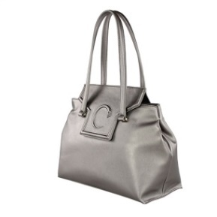 | Cavalli Class | handbags | Shopping bag Winter Snake 3D 005 | Red | C83PWCR90052060 | Winter Snake 3D
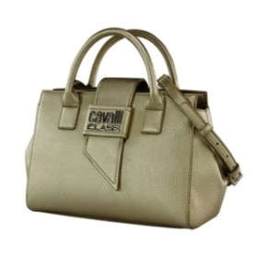 | Cavalli Class | handbags | Small handbag Lydia 002 | White | C91PWCB70022010 | Lydia | 7
 | Cavalli Class | handbags | Small handbag Lydia 002 | Taupe | C91PWCB70022022 | Lydia | 5
 | Cavalli Class | handbags | Small handbag Lydia 002 | Red | C91PWCB70022060 | Lydia | 20
 | Cavalli Class | handbags | Small handbag Lydia 002 | Light Gold | C91PWCB70022105 | Lydia | 27
 | Cavalli Class | handbags | Small handbag Lydia 002 | Black | C91PWCB70022999 | Lydia
 | Cavalli Class | handbags | Medium handbag Lydia 003 | White | C91PWCB70032010 | Lydia | 12
 | Cavalli Class | handbags | Medium handbag Lydia 003 | Light Gold | C91PWCB70032105 | Lydia | 1
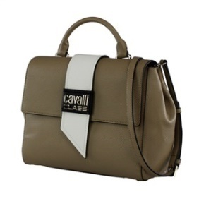
 | Cavalli Class | handbags | Medium handbag Lydia 003 | Black | C91PWCB70032999 | Lydia | 0
 | Cavalli Class | handbags | Small handbag Lydia 004 | Taupe | C91PWCB70042022 | Lydia | 16
 | Cavalli Class | handbags | Small handbag Lydia 004 | Black | C91PWCB70042999 | Lydia | 0
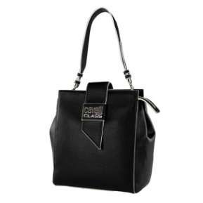 | Cavalli Class | handbags | Bucket bag Lydia 005 | Black | C91PWCB70052999 | Lydia | 0
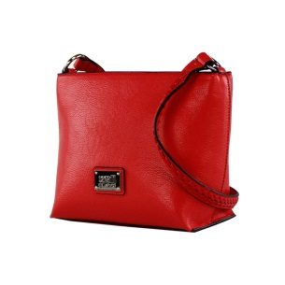 | Cavalli Class | handbags | Small shoulder bag Andrea 001 | Taupe | C91PWCC00012022 | Andrea | 0
 | Cavalli Class | handbags | Small shoulder bag Andrea 001 | Red | C91PWCC00012060 | Andrea | 4
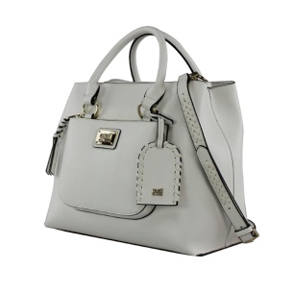 | Cavalli Class | handbags | Medium handbag Andrea 002 | White | C91PWCC00022010 | Andrea | 8
 | Cavalli Class | handbags | Medium handbag Andrea 002 | Red | C91PWCC00022060 | Andrea | 0
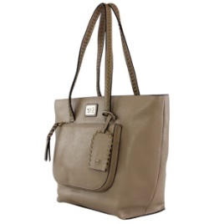 | Cavalli Class | handbags | Shopping bag Andrea 003 | Taupe | C91PWCC00032022 | Andrea | 2
 | Cavalli Class | handbags | Shopping bag Andrea 003 | Red | C91PWCC00032060 | Andrea | 2
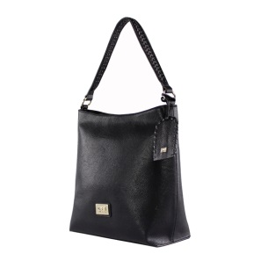 | Cavalli Class | handbags | Hobo bag Andrea 004 | White | C91PWCC00042010 | Andrea | 2
 | Cavalli Class | handbags | Hobo bag Andrea 004 | Taupe | C91PWCC00042022 | Andrea | 2
 | Cavalli Class | handbags | Hobo bag Andrea 004 | Black | C91PWCC00042999 | Andrea
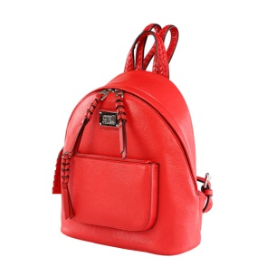 | Cavalli Class | handbags | Backpack Andrea 005 | White | C91PWCC00055010 | Andrea | 2
 | Cavalli Class | handbags | Backpack Andrea 005 | Red | C91PWCC00055060 | Andrea | 0
 | Cavalli Class | handbags | Backpack Andrea 005 | Black | C91PWCC00055999 | Andrea | 0
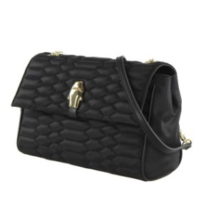 | Cavalli Class | handbags | Medium shoulder bag Agnes 002 | Black | C92PWCS40022999 | Agnes | 0
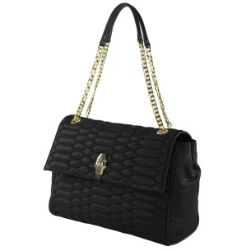 | Cavalli Class | handbags | Large shoulder bag Agnes 003 | Black | C92PWCS40032999 | Agnes | 1
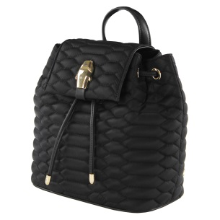 | Cavalli Class | handbags | Small Backpack Agnes 007 | Black | C92PWCS40075999 | Agnes | 16
 |  |  |  |  |  |  | 234

